Instructions
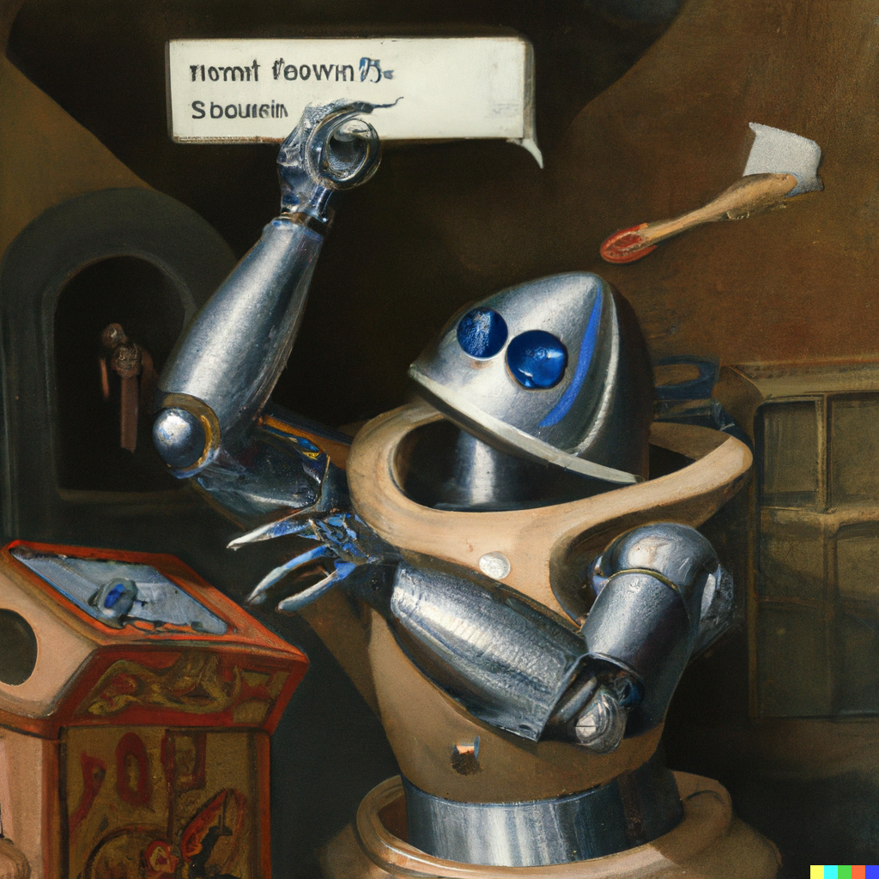
Step 1: | Fill in the parameters sheet to set the demand, level of service constraints and other variables
Step 2: | Fill in the user form sheet to represent the network you wish to model. This should include all possible facilties that to be considered in the model. NOTE: You can get the lat, long and country for new facilities by using the Geography feature in the Data tab. Be sure to change the data type back to text before launching the model.
Step 3: | Run the python script

TRUE

crow
car

